Bug report
Bug report for Register and Login page

Bug id | Priority | description/bug summary | Pre-requistes | Bug steps | Expected Result | Actual Result | Status | Text Executed by | Browser/Device | Screenshot/video recording

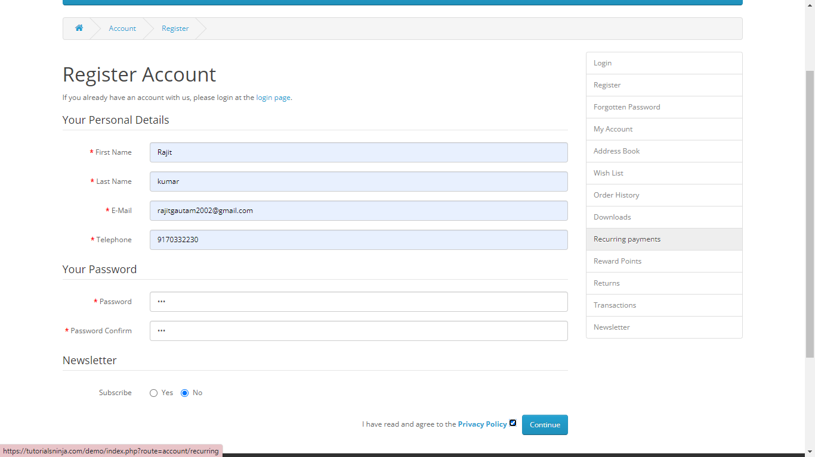
EPFo_001 | Medium | Register account is successfully created with using very week password | open the browser Enter the URL https://tutorialsninja.com/demo/ | 1. Open the browser 2. Enter the URL 3. Search the Applicaion 4. click on the My Account 5. open the register the page 6. fill all the valid data but using the very week password 7. Enter the continue button | An error message should be display "you have enter very week password" | The account is successfully created | Fail | Rajit kumar | Browser chrome device -window-11

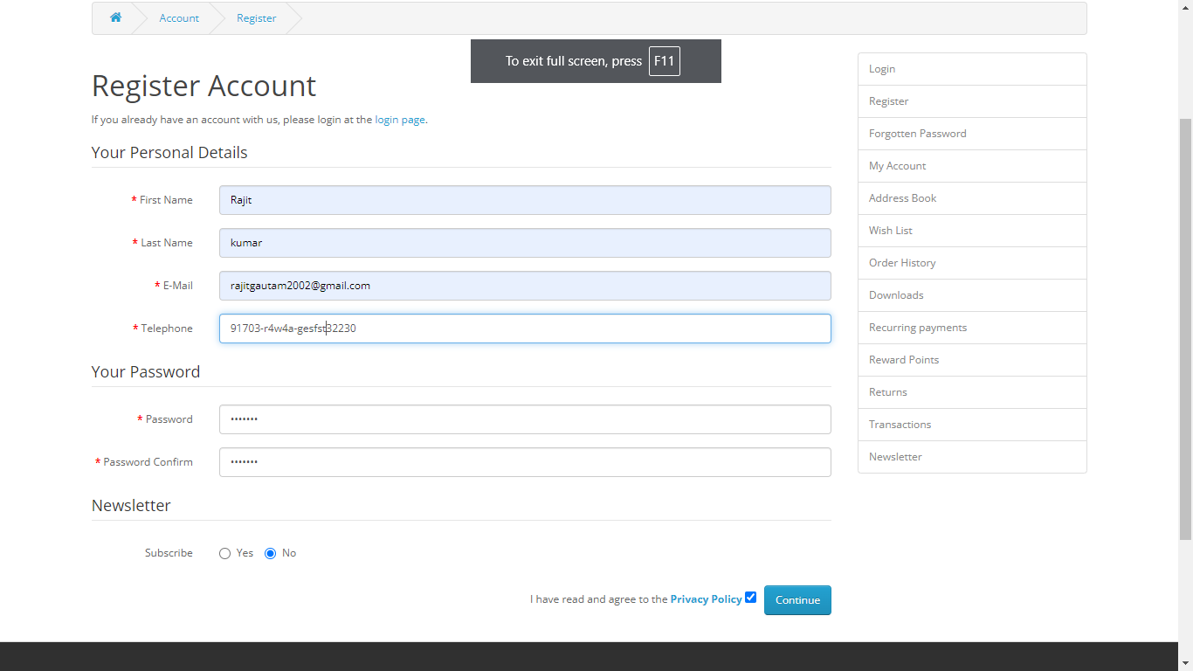
EPFo_002 | Medium | Register account is successfully created using wrong format mobile number | open the browser Enter the URL https://tutorialsninja.com/demo/ | 1. open the browser 2.Enter the URl and search it 3. Click on the my Account 4. Select the Register option 5. fill all the valid details 6. but Enter the invalid phone Number Format 7. Select the checkbox 8. Click on the Continue button | An error message "Please eneter the valid phone number" | The account is successfully created | Fail | Rajit kumar | Browser chrome device -window-11
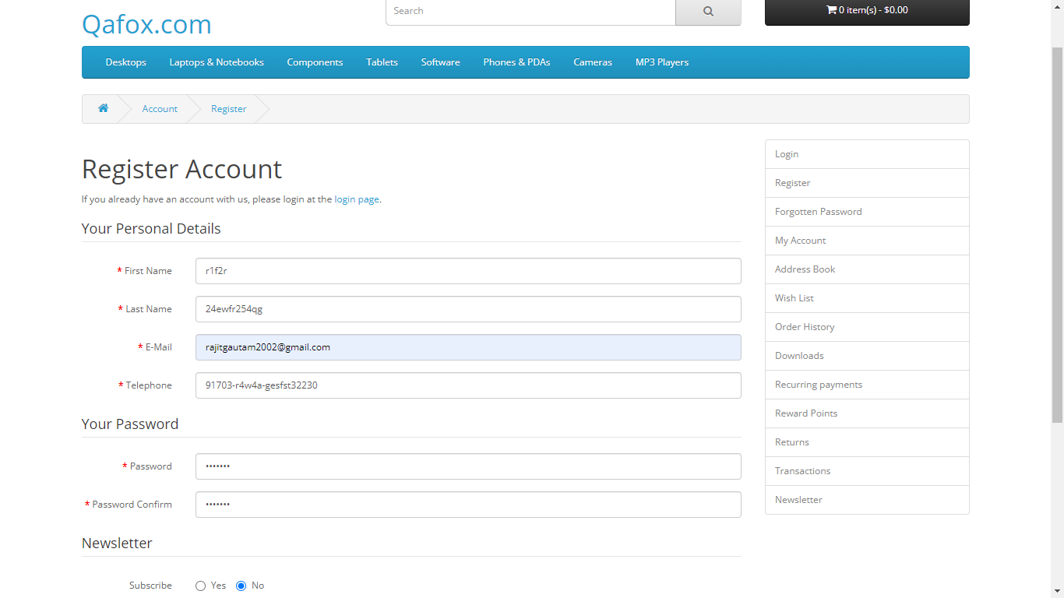
EPFo_003 | Medium | Register account is successfully created using all the invalid data expect from email and password | open the browser Enter the URL https://tutorialsninja.com/demo/ | 1. open the browser 2. Enter the Url o and search it 3. Click on the My Account 4. Select the register option 5. fill the valid email 4. fill the valid password 5. and fill the invalid first name last name , telephone 6. Enter the continue | An error message "Please eneter the valid data" | The account is successfully created | Fail | Rajit kumar | Browser chrome device -window-11

